Programme Coindre
 | Programme prévu | Programme réalisé | Pmax
1/24/2020 | 0 | 0.00 | 36
1/24/2020 | 0 | 0.00 | 36
1/24/2020 | 0 | 0.00 | 36
1/24/2020 | 0 | 0.00 | 36
1/24/2020 | 0 | 0.00 | 36
1/24/2020 | 0 | 0.00 | 36
1/24/2020 | 0 | 0.00 | 36
1/24/2020 | 0 | 21.99 | 36
1/24/2020 | 34 | 23.99 | 34
1/24/2020 | 34 | 23.41 | 34
1/24/2020 | 24 | 23.33 | 24
1/24/2020 | 18 |  | 24
1/24/2020 | 18 |  | 24
1/24/2020 | 18 |  | 24
1/24/2020 | 18 |  | 24
1/24/2020 | 18 |  | 19
1/24/2020 | 18 |  | 19
1/24/2020 | 34 |  | 19
1/24/2020 | 24 |  | 19
1/24/2020 | 18 |  | 19
1/24/2020 | 18 |  | 19
1/24/2020 | 0 |  | 19
1/24/2020 | 0 |  | 24
1/24/2020 | 0 |  | 34
1/25/2020 | 0 |  | 34
1/25/2020 | 0 |  | 34
1/25/2020 | 0 |  | 34
1/25/2020 | 0 |  | 34
1/25/2020 | 0 |  | 34
1/25/2020 | 0 |  | 34
1/25/2020 | 0 |  | 34
1/25/2020 | 0 |  | 34
1/25/2020 | 34 |  | 19
1/25/2020 | 24 |  | 19
1/25/2020 | 0 |  | 19
1/25/2020 | 0 |  | 34
1/25/2020 | 0 |  | 34
1/25/2020 | 0 |  | 34
1/25/2020 | 0 |  | 34
1/25/2020 | 0 |  | 34
1/25/2020 | 0 |  | 34
1/25/2020 | 24 |  | 24
1/25/2020 | 24 |  | 19
1/25/2020 | 0 |  | 24
1/25/2020 | 0 |  | 34
1/25/2020 | 0 |  | 34
1/25/2020 | 0 |  | 34
1/25/2020 | 0 |  | 34
1/26/2020 | 0 |  | 34
1/26/2020 | 0 |  | 34
...

Début | 2020-01-24 | 0
Fin | 2020-01-31 | 168
 |  | 11

Cote lacs
 | Cote GR | Cote Max GR | Cote Encl. GR | Cote Min GR | Cote GR réalisé | Cote GR ScenP20 | Cote GR ScenP80
1/24/2020 | 689.05 | 692 | 691.7 | 686.28 | 689.05 | 689.1 | 689.1
1/24/2020 | 689.19 | 692 | 691.7 | 686.28 | 689.19 | 689.2 | 689.2
1/24/2020 | 689.33 | 692 | 691.7 | 686.28 | 689.33 | 689.3 | 689.3
1/24/2020 | 689.46 | 692 | 691.7 | 686.28 | 689.46 | 689.4 | 689.5
1/24/2020 | 689.59 | 692 | 691.7 | 686.28 | 689.59 | 689.6 | 689.6
1/24/2020 | 689.73 | 692 | 691.7 | 686.28 | 689.73 | 689.7 | 689.8
1/24/2020 | 689.85 | 692 | 691.7 | 686.28 | 689.85 | 689.8 | 689.9
1/24/2020 | 689.95 | 692 | 691.7 | 686.28 | 689.95 | 689.9 | 690.0
1/24/2020 | 689.78 | 692 | 691.7 | 686.28 | 689.78 | 689.7 | 689.9
1/24/2020 | 689.61 | 692 | 691.7 | 686.28 | 689.61 | 689.6 | 689.7
1/24/2020 | 689.43 | 692 | 691.7 | 686.28 | 689.43 | 689.4 | 689.4
1/24/2020 | 689.23 | 692 | 691.7 | 686.28 |  | 689.2 | 689.2
1/24/2020 | 689.06 | 692 | 691.7 | 686.28 |  | 689.0 | 689.1
1/24/2020 | 688.88 | 692 | 691.7 | 686.28 |  | 688.9 | 688.9
1/24/2020 | 688.70 | 692 | 691.7 | 686.28 |  | 688.7 | 688.7
1/24/2020 | 688.52 | 692 | 691.7 | 686.28 |  | 688.5 | 688.6
1/24/2020 | 688.34 | 692 | 691.7 | 686.28 |  | 688.3 | 688.4
1/24/2020 | 688.15 | 692 | 691.7 | 686.28 |  | 688.1 | 688.2
1/24/2020 | 687.73 | 692 | 691.7 | 686.28 |  | 687.7 | 687.8
1/24/2020 | 687.45 | 692 | 691.7 | 686.28 |  | 687.4 | 687.6
1/24/2020 | 687.23 | 692 | 691.7 | 686.28 |  | 687.1 | 687.4
1/24/2020 | 686.99 | 692 | 691.7 | 686.28 |  | 686.9 | 687.1
1/24/2020 | 686.95 | 692 | 691.7 | 686.28 |  | 686.8 | 687.1
1/24/2020 | 686.91 | 692 | 691.7 | 686.28 |  | 686.8 | 687.1
1/25/2020 | 686.93 | 692 | 691.7 | 686.28 |  | 686.8 | 687.2
1/25/2020 | 687.08 | 692 | 691.7 | 686.28 |  | 686.9 | 687.3
1/25/2020 | 687.21 | 692 | 691.7 | 686.28 |  | 687.1 | 687.5
1/25/2020 | 687.32 | 692 | 691.7 | 686.28 |  | 687.2 | 687.6
1/25/2020 | 687.42 | 692 | 691.7 | 686.28 |  | 687.3 | 687.7
1/25/2020 | 687.52 | 692 | 691.7 | 686.28 |  | 687.4 | 687.8
1/25/2020 | 687.62 | 692 | 691.7 | 686.28 |  | 687.5 | 687.9
1/25/2020 | 687.72 | 692 | 691.7 | 686.28 |  | 687.6 | 688.0
1/25/2020 | 687.83 | 692 | 691.7 | 686.28 |  | 687.6 | 688.2
1/25/2020 | 687.43 | 692 | 691.7 | 686.28 |  | 687.2 | 687.8
1/25/2020 | 687.13 | 692 | 691.7 | 686.28 |  | 686.9 | 687.5
1/25/2020 | 687.07 | 692 | 691.7 | 686.28 |  | 686.8 | 687.5
1/25/2020 | 687.06 | 692 | 691.7 | 686.28 |  | 686.8 | 687.5
1/25/2020 | 687.18 | 692 | 691.7 | 686.28 |  | 686.9 | 687.6
1/25/2020 | 687.30 | 692 | 691.7 | 686.28 |  | 687.0 | 687.7
1/25/2020 | 687.40 | 692 | 691.7 | 686.28 |  | 687.1 | 687.9
1/25/2020 | 687.50 | 692 | 691.7 | 686.28 |  | 687.2 | 688.0
1/25/2020 | 687.60 | 692 | 691.7 | 686.28 |  | 687.3 | 688.1
1/25/2020 | 687.37 | 692 | 691.7 | 686.28 |  | 687.0 | 687.9
1/25/2020 | 687.07 | 692 | 691.7 | 686.28 |  | 686.7 | 687.6
1/25/2020 | 687.03 | 692 | 691.7 | 686.28 |  | 686.7 | 687.6
1/25/2020 | 687.05 | 692 | 691.7 | 686.28 |  | 686.7 | 687.6
1/25/2020 | 687.19 | 692 | 691.7 | 686.28 |  | 686.8 | 687.8
1/25/2020 | 687.31 | 692 | 691.7 | 686.28 |  | 686.9 | 687.9
1/26/2020 | 687.41 | 692 | 691.7 | 686.28 |  | 687.0 | 688.0
1/26/2020 | 687.51 | 692 | 691.7 | 686.28 |  | 687.1 | 688.1
...

Début | 2020-01-24 | 0
Fin | 2020-01-31 | 168
 |  | 11

 | Etat Vanne PR | Cote PR | Cote Max PR | Cote Encl. PR | Cote Min PR | Cote PR réalisé | Cote PR ScenP20 | Cote PR ScenP80
 | 1 | 689.33 | 693.0 | 692.2 | 684.7 | 689.33 | 689.3 | 689.3
 | 1 | 689.50 | 693.0 | 692.2 | 684.7 | 689.50 | 689.5 | 689.5
 | 1 | 689.65 | 693.0 | 692.2 | 684.7 | 689.65 | 689.7 | 689.7
 | 1 | 689.79 | 693.0 | 692.2 | 684.7 | 689.79 | 689.8 | 689.9
 | 1 | 689.93 | 693.0 | 692.2 | 684.7 | 689.93 | 689.9 | 690.0
 | 1 | 690.06 | 693.0 | 692.2 | 684.7 | 690.06 | 690.1 | 690.2
 | 1 | 690.19 | 693.0 | 692.2 | 684.7 | 690.19 | 690.2 | 690.3
 | 1 | 690.21 | 693.0 | 692.2 | 684.7 | 690.21 | 690.2 | 690.4
 | 1 | 689.44 | 693.0 | 692.2 | 684.7 | 689.44 | 689.4 | 689.6
 | 1 | 688.63 | 693.0 | 692.2 | 684.7 | 688.63 | 688.6 | 688.9
 | 1 | 687.81 | 693.0 | 692.2 | 684.7 | 687.81 | 687.8 | 687.8
 | 1 | 686.92 | 693.0 | 692.2 | 684.7 |  | 686.9 | 687.0
 | 1 | 686.68 | 693.0 | 692.2 | 684.7 |  | 686.7 | 686.8
 | 1 | 686.45 | 693.0 | 692.2 | 684.7 |  | 686.5 | 686.6
 | 1 | 686.23 | 693.0 | 692.2 | 684.7 |  | 686.3 | 686.4
 | 1 | 686.02 | 693.0 | 692.2 | 684.7 |  | 686.1 | 686.3
 | 1 | 685.79 | 693.0 | 692.2 | 684.7 |  | 685.8 | 686.1
 | 1 | 685.57 | 693.0 | 692.2 | 684.7 |  | 685.6 | 685.9
 | 1 | 684.63 | 693.0 | 692.2 | 684.7 |  | 684.6 | 684.6
 | 1 | 684.58 | 693.0 | 692.2 | 684.7 |  | 684.6 | 684.6
 | 1 | 684.57 | 693.0 | 692.2 | 684.7 |  | 684.6 | 684.6
 | 1 | 684.56 | 693.0 | 692.2 | 684.7 |  | 684.6 | 684.6
 | 1 | 684.67 | 693.0 | 692.2 | 684.7 |  | 684.7 | 684.9
 | 1 | 686.16 | 693.0 | 692.2 | 684.7 |  | 686.2 | 686.9
 | 1 | 687.45 | 693.0 | 692.2 | 684.7 |  | 687.4 | 687.9
 | 1 | 687.27 | 693.0 | 692.2 | 684.7 |  | 687.2 | 687.7
 | 1 | 687.30 | 693.0 | 692.2 | 684.7 |  | 687.2 | 687.7
 | 1 | 687.43 | 693.0 | 692.2 | 684.7 |  | 687.3 | 687.7
 | 1 | 687.54 | 693.0 | 692.2 | 684.7 |  | 687.4 | 687.9
 | 1 | 687.64 | 693.0 | 692.2 | 684.7 |  | 687.5 | 688.0
 | 1 | 687.74 | 693.0 | 692.2 | 684.7 |  | 687.6 | 688.1
 | 1 | 687.84 | 693.0 | 692.2 | 684.7 |  | 687.7 | 688.2
 | 1 | 687.95 | 693.0 | 692.2 | 684.7 |  | 687.8 | 688.3
 | 1 | 685.45 | 693.0 | 692.2 | 684.7 |  | 685.3 | 686.1
 | 1 | 684.67 | 693.0 | 692.2 | 684.7 |  | 684.7 | 684.8
 | 1 | 685.92 | 693.0 | 692.2 | 684.7 |  | 685.7 | 686.7
 | 1 | 687.18 | 693.0 | 692.2 | 684.7 |  | 687.0 | 687.8
 | 1 | 687.29 | 693.0 | 692.2 | 684.7 |  | 687.0 | 687.8
 | 1 | 687.41 | 693.0 | 692.2 | 684.7 |  | 687.1 | 687.9
 | 1 | 687.52 | 693.0 | 692.2 | 684.7 |  | 687.3 | 688.0
 | 1 | 687.62 | 693.0 | 692.2 | 684.7 |  | 687.4 | 688.1
 | 1 | 687.72 | 693.0 | 692.2 | 684.7 |  | 687.5 | 688.2
 | 1 | 686.24 | 693.0 | 692.2 | 684.7 |  | 686.0 | 686.9
 | 1 | 684.82 | 693.0 | 692.2 | 684.7 |  | 684.7 | 685.6
 | 1 | 686.49 | 693.0 | 692.2 | 684.7 |  | 686.2 | 687.2
 | 1 | 687.44 | 693.0 | 692.2 | 684.7 |  | 687.2 | 688.1
 | 1 | 687.33 | 693.0 | 692.2 | 684.7 |  | 687.0 | 688.0
 | 1 | 687.41 | 693.0 | 692.2 | 684.7 |  | 687.1 | 688.1
 | 1 | 687.53 | 693.0 | 692.2 | 684.7 |  | 687.2 | 688.2
 | 1 | 687.61 | 693.0 | 692.2 | 684.7 |  | 687.2 | 688.3
...

Apports
 | Prévisions apports Grande Rhue | Apports réalisés Grande Rhue | Prévisions P80 | Prévisions P20
1/24/2020 | 7.9 | 9.2 | 8.5 | 7.3
1/24/2020 | 8.2 | 9.9 | 8.8 | 7.5
1/24/2020 | 8.7 | 9.8 | 9.4 | 8.1
1/24/2020 | 8.7 | 9.3 | 9.3 | 8.0
1/24/2020 | 9.5 | 9.1 | 10.1 | 8.8
1/24/2020 | 7.8 | 9.0 | 8.5 | 7.2
1/24/2020 | 6.1 | 8.7 | 6.7 | 5.5
1/24/2020 | 3.7 | 8.0 | 4.3 | 3.1
1/24/2020 | 6.6 | 7.0 | 7.3 | 6.0
1/24/2020 | 6.0 | 6.9 | 6.6 | 5.3
1/24/2020 | 6.0 | 6.7 | 6.6 | 5.3
1/24/2020 | 6.0 |  | 6.6 | 5.3
1/24/2020 | 6.0 |  | 6.6 | 5.3
1/24/2020 | 6.0 |  | 6.6 | 5.3
1/24/2020 | 6.0 |  | 6.6 | 5.3
1/24/2020 | 6.0 |  | 6.6 | 5.3
1/24/2020 | 6.0 |  | 6.6 | 5.3
1/24/2020 | 6.0 |  | 6.6 | 5.3
1/24/2020 | 6.0 |  | 6.6 | 5.3
1/24/2020 | 6.0 |  | 6.6 | 5.3
1/24/2020 | 6.0 |  | 6.6 | 5.3
1/24/2020 | 6.0 |  | 6.6 | 5.3
1/24/2020 | 6.0 |  | 6.6 | 5.3
1/24/2020 | 6.0 |  | 6.6 | 5.3
1/25/2020 | 5.5 |  | 6.2 | 4.7
1/25/2020 | 5.5 |  | 6.2 | 4.7
1/25/2020 | 5.5 |  | 6.2 | 4.7
1/25/2020 | 5.5 |  | 6.2 | 4.7
1/25/2020 | 5.5 |  | 6.2 | 4.7
1/25/2020 | 5.5 |  | 6.2 | 4.7
1/25/2020 | 5.5 |  | 6.2 | 4.7
1/25/2020 | 5.5 |  | 6.2 | 4.7
1/25/2020 | 5.5 |  | 6.2 | 4.7
1/25/2020 | 5.5 |  | 6.2 | 4.7
1/25/2020 | 5.5 |  | 6.2 | 4.7
1/25/2020 | 5.5 |  | 6.2 | 4.7
1/25/2020 | 5.5 |  | 6.2 | 4.7
1/25/2020 | 5.5 |  | 6.2 | 4.7
1/25/2020 | 5.5 |  | 6.2 | 4.7
1/25/2020 | 5.5 |  | 6.2 | 4.7
1/25/2020 | 5.5 |  | 6.2 | 4.7
1/25/2020 | 5.5 |  | 6.2 | 4.7
1/25/2020 | 5.5 |  | 6.2 | 4.7
1/25/2020 | 5.5 |  | 6.2 | 4.7
1/25/2020 | 5.5 |  | 6.2 | 4.7
1/25/2020 | 5.5 |  | 6.2 | 4.7
1/25/2020 | 5.5 |  | 6.2 | 4.7
1/25/2020 | 5.5 |  | 6.2 | 4.7
1/26/2020 | 5.2 |  | 5.8 | 4.6
1/26/2020 | 5.2 |  | 5.8 | 4.6
...

Début | 2020-01-24 | 0
Fin | 2020-01-31 | 168
 |  | 11

 | Prévisions apports Petite Rhue | Apports réalisés Petite Rhue | Prévisions P20 | Prévisions P80
1/24/2020 | 4.6 | 4.6 | 4.4 | 4.7
1/24/2020 | 4.5 | 3.7 | 4.4 | 4.7
1/24/2020 | 4.5 | 3.6 | 4.3 | 4.6
1/24/2020 | 4.5 | 3.5 | 4.3 | 4.7
1/24/2020 | 4.5 | 3.5 | 4.4 | 4.7
1/24/2020 | 4.6 | 3.4 | 4.4 | 4.7
1/24/2020 | 3.4 | 3.3 | 3.3 | 3.6
1/24/2020 | 3.2 | 3.1 | 3.1 | 3.4
1/24/2020 | 4.3 | 2.8 | 4.1 | 4.4
1/24/2020 | 4.1 | 3.0 | 4.0 | 4.3
1/24/2020 | 4.1 | 3.3 | 4.0 | 4.3
1/24/2020 | 4.1 |  | 4.0 | 4.3
1/24/2020 | 4.1 |  | 4.0 | 4.3
1/24/2020 | 4.1 |  | 4.0 | 4.3
1/24/2020 | 4.1 |  | 4.0 | 4.3
1/24/2020 | 4.1 |  | 4.0 | 4.3
1/24/2020 | 4.1 |  | 4.0 | 4.3
1/24/2020 | 4.1 |  | 4.0 | 4.3
1/24/2020 | 4.1 |  | 4.0 | 4.3
1/24/2020 | 4.1 |  | 4.0 | 4.3
1/24/2020 | 4.1 |  | 4.0 | 4.3
1/24/2020 | 4.1 |  | 4.0 | 4.3
1/24/2020 | 4.1 |  | 4.0 | 4.3
1/24/2020 | 4.1 |  | 4.0 | 4.3
1/25/2020 | 2.7 |  | 2.5 | 2.9
1/25/2020 | 2.7 |  | 2.5 | 2.9
1/25/2020 | 2.7 |  | 2.5 | 2.9
1/25/2020 | 2.7 |  | 2.5 | 2.9
1/25/2020 | 2.7 |  | 2.5 | 2.9
1/25/2020 | 2.7 |  | 2.5 | 2.9
1/25/2020 | 2.7 |  | 2.5 | 2.9
1/25/2020 | 2.7 |  | 2.5 | 2.9
1/25/2020 | 2.7 |  | 2.5 | 2.9
1/25/2020 | 2.7 |  | 2.5 | 2.9
1/25/2020 | 2.7 |  | 2.5 | 2.9
1/25/2020 | 2.7 |  | 2.5 | 2.9
1/25/2020 | 2.7 |  | 2.5 | 2.9
1/25/2020 | 2.7 |  | 2.5 | 2.9
1/25/2020 | 2.7 |  | 2.5 | 2.9
1/25/2020 | 2.7 |  | 2.5 | 2.9
1/25/2020 | 2.7 |  | 2.5 | 2.9
1/25/2020 | 2.7 |  | 2.5 | 2.9
1/25/2020 | 2.7 |  | 2.5 | 2.9
1/25/2020 | 2.7 |  | 2.5 | 2.9
1/25/2020 | 2.7 |  | 2.5 | 2.9
1/25/2020 | 2.7 |  | 2.5 | 2.9
1/25/2020 | 2.7 |  | 2.5 | 2.9
1/25/2020 | 2.7 |  | 2.5 | 2.9
1/26/2020 | 2.6 |  | 2.4 | 2.8
1/26/2020 | 2.6 |  | 2.4 | 2.8
...

 | Prévision apports totaux | "Apports réalisés totaux"
1/24/2020 | 8.6 | 13.7
1/24/2020 | 8.6 | 13.6
1/24/2020 | 8.6 | 13.4
1/24/2020 | 8.6 | 12.9
1/24/2020 | 8.6 | 12.6
1/24/2020 | 8.6 | 12.4
1/24/2020 | 8.6 | 12.0
1/24/2020 | 8.6 | 11.1
1/24/2020 | 8.6 | 9.9
1/24/2020 | 8.6 | 9.9
1/24/2020 | 8.6 | 10.0
1/24/2020 | 8.6
1/24/2020 | 8.6
1/24/2020 | 8.6
1/24/2020 | 8.6
1/24/2020 | 8.6
1/24/2020 | 8.6
1/24/2020 | 8.6
1/24/2020 | 8.6
1/24/2020 | 8.6
1/24/2020 | 8.6
1/24/2020 | 8.6
1/24/2020 | 8.6
1/24/2020 | 8.6
1/25/2020 | 8.2
1/25/2020 | 8.2
1/25/2020 | 8.2
1/25/2020 | 8.2
1/25/2020 | 8.2
1/25/2020 | 8.2
1/25/2020 | 8.2
1/25/2020 | 8.2
1/25/2020 | 8.2
1/25/2020 | 8.2
1/25/2020 | 8.2
1/25/2020 | 8.2
1/25/2020 | 8.2
1/25/2020 | 8.2
1/25/2020 | 8.2
1/25/2020 | 8.2
1/25/2020 | 8.2
1/25/2020 | 8.2
1/25/2020 | 8.2
1/25/2020 | 8.2
1/25/2020 | 8.2
1/25/2020 | 8.2
1/25/2020 | 8.2
1/25/2020 | 8.2
1/26/2020 | 7.8
1/26/2020 | 7.8
...

Contraintes V
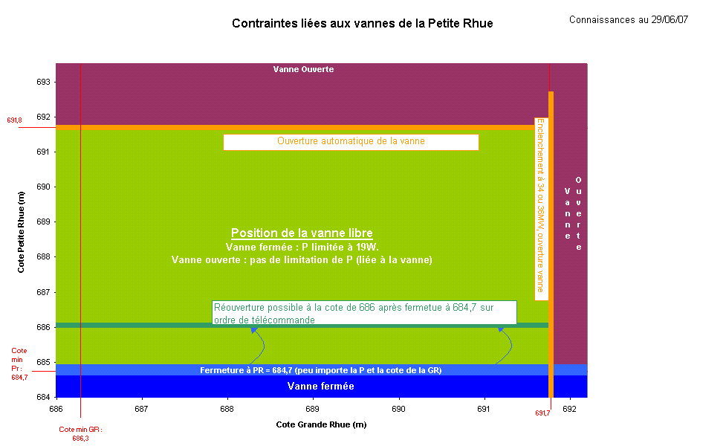

Contraintes P
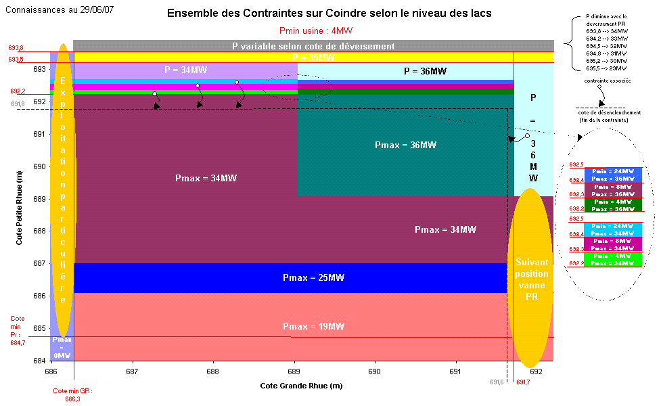

Emergency
Export back-up
J
Export back-up
J+1
 |  | 2020-01-24
 |  | 0:00:00

Plans de procution et flux pour process de backup
J | 2020-01-24 | 2020-01-24 01:00:00 | 2020-01-24 02:00:00 | 2020-01-24 03:00:00 | 2020-01-24 04:00:00 | 2020-01-24 05:00:00 | 2020-01-24 06:00:00 | 2020-01-24 07:00:00 | 2020-01-24 08:00:00 | 2020-01-24 09:00:00 | 2020-01-24 10:00:00 | 2020-01-24 11:00:00 | 2020-01-24 12:00:00 | 2020-01-24 13:00:00 | 2020-01-24 14:00:00 | 2020-01-24 15:00:00 | 2020-01-24 16:00:00 | 2020-01-24 17:00:00 | 2020-01-24 18:00:00 | 2020-01-24 19:00:00 | 2020-01-24 20:00:00 | 2020-01-24 21:00:00 | 2020-01-24 22:00:00 | 2020-01-24 23:00:00
 | 1 | 2 | 3 | 4 | 5 | 6 | 7 | 8 | 9 | 10 | 11 | 12 | 13 | 14 | 15 | 16 | 17 | 18 | 19 | 20 | 21 | 22 | 23 | 24
Vanne | O | O | O | O | O | O | O | O | O | O | O | O | O | O | O | O | O | O | O | O | O | O | O | O
Coindre | 0 | 0 | 0 | 0 | 0 | 0 | 0 | 0 | 34 | 34 | 24 | 18 | 18 | 18 | 18 | 18 | 18 | 34 | 24 | 18 | 18 | 0 | 0 | 0
Flow | 0.0 | 0.0 | 0.0 | 0.0 | 0.0 | 0.0 | 0.0 | 27.8 | 31.5 | 30.8 | 30.8 | 23.1 | 23.1 | 23.1 | 23.2 | 23.2 | 23.3 | 48.9 | 32.3 | 23.5 | 23.5 | 0.0 | 0.0 | 0.0

J+1 | 2020-01-25 | 2020-01-25 01:00:00 | 2020-01-25 02:00:00 | 2020-01-25 03:00:00 | 2020-01-25 04:00:00 | 2020-01-25 05:00:00 | 2020-01-25 06:00:00 | 2020-01-25 07:00:00 | 2020-01-25 08:00:00 | 2020-01-25 09:00:00 | 2020-01-25 10:00:00 | 2020-01-25 11:00:00 | 2020-01-25 12:00:00 | 2020-01-25 13:00:00 | 2020-01-25 14:00:00 | 2020-01-25 15:00:00 | 2020-01-25 16:00:00 | 2020-01-25 17:00:00 | 2020-01-25 18:00:00 | 2020-01-25 19:00:00 | 2020-01-25 20:00:00 | 2020-01-25 21:00:00 | 2020-01-25 22:00:00 | 2020-01-25 23:00:00
 | 1 | 2 | 3 | 4 | 5 | 6 | 7 | 8 | 9 | 10 | 11 | 12 | 13 | 14 | 15 | 16 | 17 | 18 | 19 | 20 | 21 | 22 | 23 | 24
Vanne | O | O | O | O | O | O | O | O | O | O | O | O | O | O | O | O | O | O | O | O | O | O | O | O
Coindre | 0 | 0 | 0 | 0 | 0 | 0 | 0 | 0 | 34 | 24 | 0 | 0 | 0 | 0 | 0 | 0 | 0 | 24 | 24 | 0 | 0 | 0 | 0 | 0
Flow | 0.0 | 0.0 | 0.0 | 0.0 | 0.0 | 0.0 | 0.0 | 0.0 | 48.6 | 32.3 | 0.0 | 0.0 | 0.0 | 0.0 | 0.0 | 0.0 | 0.0 | 32.1 | 32.2 | 0.0 | 0.0 | 0.0 | 0.0 | 0.0

